Instructions
 |  | Instructions Sheet
 | PWD Water Service Line Sizing Model

Submitted Date:
Contact Name:
Submitting Firm:
Contact Email:
Contact Phone:
Project Address:
Project Name & Specifc Connection:
Instructions Page:
Step 1: Fill out project information above.
Page 1:
Step 2: Select proposed water service line size.
Step 3: Select the type of predominant supply systems (flush tanks or flushometer valves).
Step 4: Enter the total number of fixtures for each fixture type as applicable. The total number of fixtures should include all the existing fixtures to remain and proposed fixtures to be added if the project is part of the building addition/ renovation/ alteration. The domestic demand is computed based on the total WSFU* and type of predominate supply systems.
Page 2:
Step 5: Enter the total lawn sprinkler, total continuous mechanical, and total intermittent mechanical demands, as applicable.
Step 6: If a booster pump is proposed, enter the pump design and pump maximum demands.
Step 7: If the proposed service connection is combined (fire + domestic), enter fire demands, as applicable.
Page 3:
Step 8: Enter the hydrant flow test results.
Step 9: Enter the design pressure at the main used in the design calculations.
Step 10: Enter the supply main and highest fixture elevation to compute static head loss.
Step 11: Enter the pipe length between the supply main and the building, the proposed pipe size, C value, and other pipe losses for the domestic connection to calculate total pipe losses between the supply main and the building.
Step 12: Enter the pressure losses due to meter, backflow prevention assembly, and special fixture, as applicable. Enter the pipe losses inside the building. Enter the pressure gain (if any) due to pumps. Minimum pressure required for most fixtures by the Philadelphia Plumbing Code is 20 psi.

2-Meter Size Worksheet
 |  | Meter Sizing Worksheet
 | PWD Water Service Line Sizing Model

Notes:
¹Fire Consideration Totals to be the difference between peak fixture demand (Tab 1) and added fire considerations; if fire demand totals are less than peak fixture demand, these values are 0. Domestic fixtures are assumed 'off' during fire events.
²Service line to be of same size as meter from tap through backflow preventer.
Proposed Service Line Size |  |  | 3/4-Inch
Demand from WSFU Calculation, gpm |  |  | 0.00

Mechanical Considerations (all if applicable) |  |  | Demand, gpm

Continuous Mechanical Demand |  |  | 0.00
Intermittent Mechanical Demand |  |  | 0.00
Lawn Sprinkler Demand |  |  | 0.00
Booster Pump Additional Demand1 |  |  | 0.00

Total Fixture + Mechanical + Irrigation Demand |  |  | 0.00

Fire Considerations (for RFSS Combined Systems)

Total Fire Demand (per NFPA requirements) |  |  | 0.00
Fire Pump Flow Rating |  |  | 0.00

Totals Fire Demand |  |  | 0.00

Total Peak Demand, gpm |  |  | 0.00

Domestic Meter Sizing Summary

Will Proposed Meter Size Accurately Measure Peak Flows? |  |  | Yes

3-Pressure Worksheet
 |  | Available Pressure Worksheet
 | PWD Water Service Line Sizing Model

Hydrant Flow Test Results1
Date of Test:
Static Pressure, psi.
Residual Pressure, psi.

Design Pressure at the Main |  | 0.00 | psi.
Supply Main Elevation, ft. |  | 0.00 | ft.
Highest Fixture Elevation, ft. |  | 0.00 | ft.
Pressure Change due to Elevation |  | 0.00 | psi.
Notes:
¹Provide hydrant test results, signed by PWD Representative.
²Average C value for commnly used copper is 135. Ductile iron average is 140.
³Pipe friction losses to building calculated using Hazen–Williams equation.
⁴The maxumum reccomended flow velocity is 15 fps for ductile iron pipe
⁵Values should be provided by design engineer licensed in Pennsylvania. Supporting documentation should be attached with application.
⁶Pipe losses within the building to consider from building entry to most hydraulically remote fixture.
⁷Minimum pressure required
for most fixtures per Philadelphia Plumbing Code is 20 psi.
⁸All values to be entered as positive.
Total Pipe Losses
Main to Building Pipe Lenth, ft. |  | 0.00
Peak Demand, gpm |  | 0.00
Pipe Size, inch |  | 0.00
C Value2 |  | 0
Pipe Friction Losses to Building, psi.3 |  | 0.00
Other Losses to Building (if any), psi. |  | 0.00
Total Losses to Building, psi |  | 0.00
Available Pressure at Building, psi. |  | 0.00
V (fps) 4 |  | 0.00

Available Pressure at Highest Fixture
Design Pressure at the Main, psi. |  | 0.00
Total Losses to Building, psi |  | 0.00
Static Head Pressure Change, psi. |  | 0.00
Meter Loss, psi. |  | 0.00
Backflow Prevention Loss, psi. |  | 0.00
Pipe Losses Inside the Building, psi.5,6 |  | 0.00
Special Fixture or Other Loss, psi. |  | 0.00
Pressure Gain due to Booster Pump, psi. |  | 0.00

Maximum Pressure Available at Highest Fixture, psi.7 |  | 0.00

4-Demand Interpolation Graph
 |  | Demand Interpolation Sheet
 | PWD Water Service Line Sizing Model

Total WSFUs |  |  | 0
Domestic Demand, gpm |  |  | 0.000
Predominate Supply Systems |  |  | Flush Tanks

Total Domestic Demand
 | Demand Calculation - Flush Tanks | Demand Calculation - Flushometer Valves
1 | 3.0 | 0
2 | 5.0 | 0
3 | 6.5 | 0
4 | 8.0 | 0
5 | 9.4 | 15
6 | 10.7 | 17.4
7 | 11.8 | 19.8
8 | 12.8 | 22.2
9 | 13.7 | 24.6
10 | 14.6 | 27
11 | 15.4 | 27.8
12 | 16.0 | 28.6
13 | 16.5 | 29.4
14 | 17.0 | 30.2
15 | 17.5 | 31
16 | 18.0 | 31.8
17 | 18.4 | 32.6
18 | 18.8 | 33.4
19 | 19.2 | 34.2
20 | 19.6 | 35
25 | 21.5 | 38
30 | 23.3 | 42
35 | 24.9 | 44
40 | 26.3 | 46
45 | 27.7 | 48
50 | 29.1 | 50
60 | 32.0 | 54
70 | 35.0 | 58
80 | 38.0 | 61.2
90 | 41.0 | 64.3
100 | 43.5 | 67.5
120 | 48.0 | 73
140 | 52.5 | 77
160 | 57.0 | 81
180 | 61.0 | 85.5
200 | 65.0 | 90
225 | 70.0 | 95.5
250 | 75.0 | 101
275 | 80.0 | 104.5
300 | 85.0 | 108
400 | 105.0 | 127
500 | 124.0 | 143
750 | 170.0 | 177
1000 | 208.0 | 208
1250 | 239.0 | 239
1500 | 269.0 | 269
1750 | 297.0 | 297
2000 | 325.0 | 325
2500 | 380.0 | 380
3000 | 433.0 | 433
...

5-Definitions
 | Definitions Sheet
PWD Water Service Line Sizing Model

Full-bath Group (Flush Tank) - 1 Tank Toilet, 1 Bathroom Sink and either 1 shower, 1 tub or 1 shower/tub combination.
Full-bath Group (Flushometer Valve)- 1 Flushometer Toilet, 1 Bathroom Sink and either 1 shower, 1 tub or 1 shower/tub combination.
Half-bath Group (Flush Tank)- 1 Tank Toilet and 1 Bathroom Sink
Bathtub / Shower Combination- This fixture has a bathtub as the basin base with a bath shower atop it and is located in PRIVATE space. This fixture can only use either the tub faucet OR the shower head. Not both at the same time.
Combination Fixture- This fixture combines the functions of a sink and a toilet into a single fixture and is located in PRIVATE space.
Water Closet (Tank Toilet)- This is a toilet that has a tank on the back that holds water. If there is no tank the fixture is called a Flushometer Valve toilet.
Water Closet (Flushometer Valve)- This type of toilet has no tank to store the water on the back. The water pipe comes directly out of the wall and fills the bowl.
Water Closet (Flushometer Tank)- This fixture combines a Flushometer Valve with a tank. The valve allows a certain amount of water to fill the tank quickly at a high rate.
Laundry Tub- A sink located in a laundry room or utility room.
Hose Bibs (ALL Public and Private Bibs)- An outside faucet.
Urinal (1" Flushometer Valve)- A bathroom urinal located in PUBLIC space with a 1" valve.
Urinal (3/4" Flushometer Valve)- A bathroom urinal located in PUBLIC space with a 3/4" valve.
Urinal (Flush Tank)- A bathroom urinal located in PUBLIC space with a tank.
Domestic Demand- The water used by the fixtures and the mechanical equipment excluding fire and irrigation only.
IPC- International Plumbing Code

6A-Appendix
 |  | Appendix1
 | PWD Water Service Line Sizing Model

PWD Meter Flow Range by Size
Manufacterer Pressure Loss Data for Water Meters (For Reference Only)²

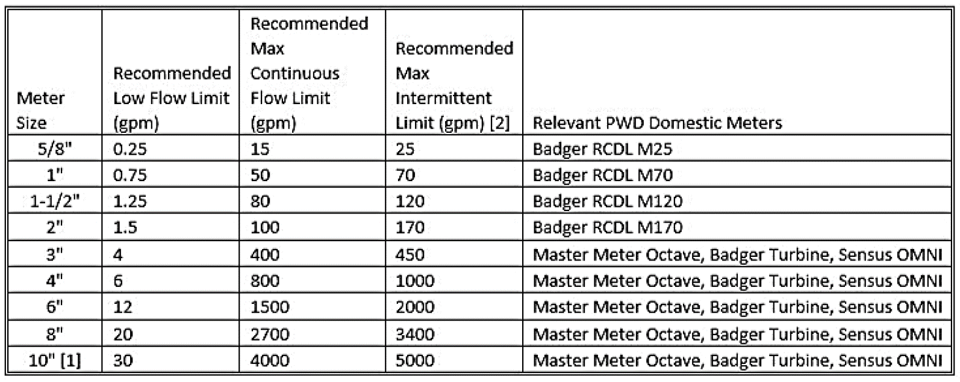

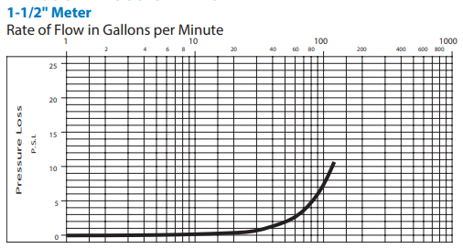

References:
https://www.badgermeter.com/product-documentation/

Notes:
1All data provided as reference only. Values provided should reflect installation proposed for project.
2Engineer completing form to provide values cooresponding to meter model proposed for the development.

6B-Appendix
 |  | Appendix1
 | PWD Water Service Line Sizing Model

Manufacterer Pressure Loss Data for Water Meters (For Reference Only)²

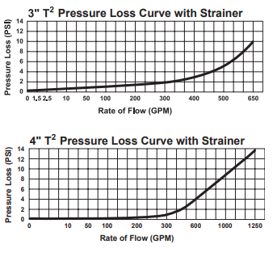
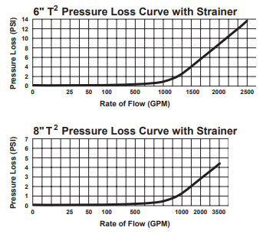

References:
https://sensus.com/products/?utility=water
https://www.badgermeter.com/product-documentation/
Notes:
1All data provided as reference only. Values provided should reflect installation proposed for project.
2Engineer completing form to provide values cooresponding to meter model proposed for the development.

6C-Appendix
 |  | Appendix1
 | PWD Water Service Line Sizing Model

Manufacterer Pressure Loss Data for Backflow Prevention (For Reference Only)²

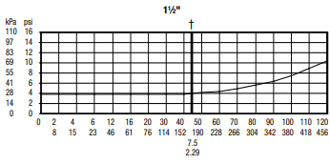
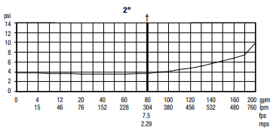

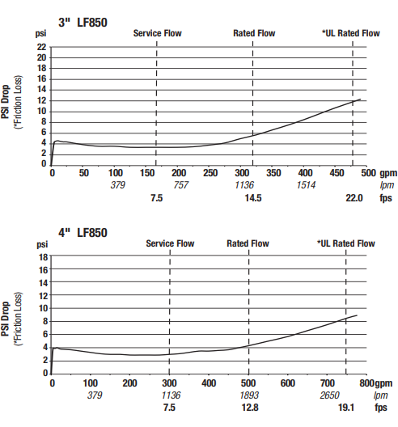
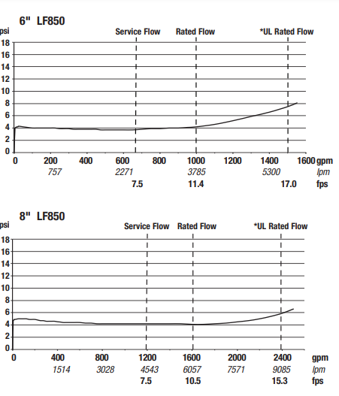

References:
https://www.watts.com/products/

Notes:
1All data provided as reference only. Values provided should reflect installation proposed for project.
2Engineer completing form to provide values cooresponding to backflow preventer proposed.

